1. Title Page
[Project Name]

Project Name: Instacart Grocery Basket Analysis
Date: 03/29/2023
Analyst Name: Shirwet Elfeel

Contents:
Population Flow
Consistency checks
Wrangling steps
Column derivations
Visualizations
Recommendations

2. Population Flow
Title page

Population flow

Exclusion flag
Condition: max_order <
Obervations to be removed:
Final total count of order_products_all:

Orders_products_combined
Orders_products_merged
Orders_products_all

Total: 32434489
Total:32434489
Total:
999060

1.) The grey boxes in the first row of the population flow represent the original data sets as they were when you downloaded them. In the Total fields you need to add the count of the rows when you imported the data set into Jupyter.
2.) The second row of boxes (coloured) represents the data sets after you manipulated them, e.g., removed missing values and duplicates. In the Total fields you need to add the count of the rows after conducting these operations. This offers a visual oveview of how the data flows throughout the data consistency checks.
3.) The third row, where also the arrows are coloured, represents the merges you performed between the datasets. In the Total fields you need to add the count of the rows in the merged datasets, so that you end up with the final dataset (in the red box). Keep in mind the final dataset should be without exclusions (based on the exclusion flag).

3. Consistency checks
 |  |  |  | Title page
Consistency checks

Dataset | Missing values | Missing values treatment | Duplicates
orders | 206209 | # looking into this data set shows that the order number is 1 which means the customer doesn't have any previos orders, so i chose not to do anything as will not make any sense to manipluate with the data | no duplicates
products | product_name - 16 | creating data frame that has no missing data | 5 duplicates
orders_products_prior | none
customers | none

4. Wrangling steps
 |  |  |  | Title page
Wrangling steps

Columns dropped | Columns renamed | Columns' type changed | Comment/Reason
drop surname | n_dependants to number_dependeants | order_id has been changed to 'str'
drop first name |  | Changed all int to int32 | to save space

 |  | STATE' has been changed to: 'state' | product file - to make it clear
 |  | First Name' has been changed to:: 'first_name' | product file - to make it clear
 |  | n_dependants' has been changed to: 'number_dependents' | product file - to make it clear

5. Column derivations
 |  |  |  | Title page

Column derivations and aggregations

In this tab you should add tables below that the frequences of flags/label variables that you produced after deriving them. NB: don't do this for continuous variables, only for flags.
Dataset | New column | Column/s it was derived from | Conditions
merged_ords_prods | price_range | prices | <= 5 : 'Low-range product' (> 5) & ( <= 15) : 'Mid-range product' > 15: 'High range' else: 'Not enough data'

 | busiest_day | orders_day_of_week | =0: 'Busiest day' =4: 'Least busy' else: 'Regularly busy'
 | busiest_days | orders_day_of_week | =0 | = 1 : 'two busiest days' =4 | =3 : 'two slowest days' else: 'Regularly days busy days'
 | busiest_period_of_day | order_time_of_day' | <= 6 : 'Fewest orders' >=9 & <=17 : 'Most Orders' else: 'Average Orders'
merged_ords_prods_large | loyalty_flag | max_order | > 40 : 'Loyal customer' <= 40 & >10 : 'Regular customer' <=10 : 'New customer'
 | spending_flag | avg_price (mean of price per user) | <10 : 'Low spender' >=10 : 'High spender'
 | order_frequency_flag | order_behavior | (median of 'days_since_prior_order' per user) | > 20 : 'Non-frequent customer' >10 & <=20: 'Regular customer' <=10 : 'Frequent customer'
cx_ords_prods.pkl | region | state | Northeast' : ['Maine', 'New Hampshire', 'Vermont', 'Massachusetts', 'Rhode Island', 'Connecticut', 'New York', 'Pennsylvania', 'New Jersey 'Midwest' : ['Wisconsin', 'Michigan', 'Illinois', 'Indiana', 'Ohio', 'North Dakota', 'South Dakota', 'Nebraska', 'Kansas', 'Minnesota', 'Iowa', 'Missouri'] 'South' : ['Delaware', 'Maryland', 'District of Columbia', 'Virginia', 'West Virginia', 'North Carolina', 'South Carolina', 'Georgia', 'Florida', 'Kentucky', 'Tennessee', 'Mississippi', 'Alabama', 'Oklahoma', 'Texas', 'Arkansas', 'Louisiana'] 'West' : ['Idaho', 'Montana', 'Wyoming', 'Nevada', 'Utah', 'Colorado', 'Arizona', 'New Mexico', 'Alaska', 'Washington', 'Oregon', 'California', 'Hawaii']
 | activity_flag | max_order | <5 : 'Low activity' >=5 : 'High activity'
 | age_category | age | (>= 18) & (< 40) : 'Youth' (>= 40) & ( < 65) :'Middle age' >= 65 : 'Senior'
 | family_size | no_of_dependents | 0 : 'Small' 1 |2 : 'Mid size' >2 : 'Large'
 | household | marital_status & no_of_dependents | ('marital_status' = 'married') & ('no_of_dependents') = 1 : 'Couple without children' ('marital_status' = 'married') & ('no_of_dependents' >= 2) : 'Couple with children' ('marital_status' = 'divorced/widowed') | ('marital_status'= 'single') :'One person' ('marital_status' = 'divorced/widowed') & ('no_of_dependents' > 0 ) : 'Single parent' 'marital_status' = 'living with parents and siblings' : 'Other family'
 | income_category | income | < 70000 : 'Low' (>= 70000) & (< 100000) : 'Middle' (>= 100000) & (< 130000) : 'Upper mid' > 130000 : 'High'
 | alcohol_drinker' | department | !='alcohol' : 'No' ='alcohol' : 'Yes'
 | pet_owner | department | = 'pet' : 'Yes' != 'pets' : 'No'
 | vegetarian | department | != 12 | 20 : 'Yes' Otherwise : 'No'
 | parents_with_baby | department | !='babies' : 'No' ='babies' : 'Yes'
 | order_time_habit | order_time_of_day | <5 : 'Night owl' >=5 & <9 : 'Early bird' >=9 & <=23 : 'Regular'

6. Visualizations
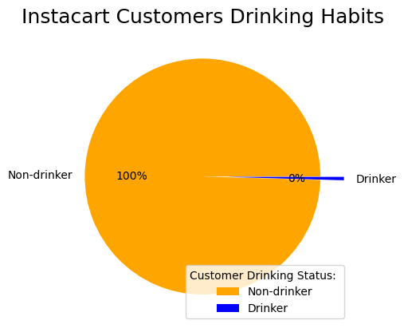
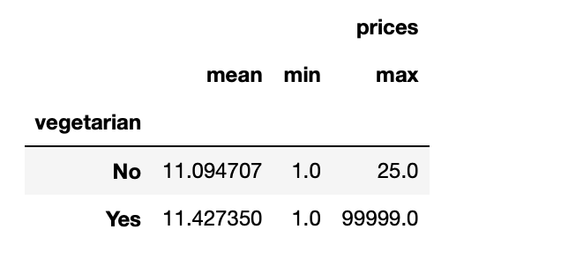
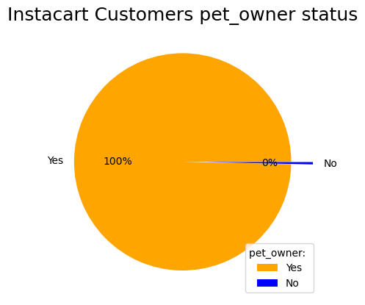
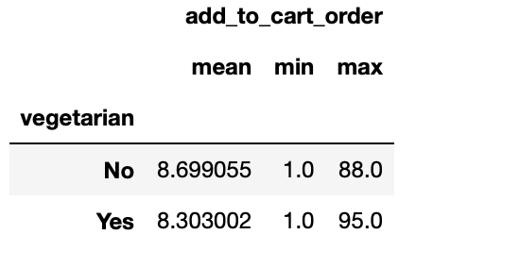
 | Title page

Visualisations

In this tab you should include all the visualtions from Exercises 4.9 and 4.10, alongside the questions from the project brief that they answer. Include any commentary on the relationship between different variables.

The sales team needs to know what the busiest days of the week and hours of the day are (i.e., the days and times with the most orders) in order to schedule ads at times,when there are fewer orders.
Saturday, Sunday and Friday respectively are the busiest days of the week. So Monday through Thursday are good time to schedule ads to increase traffic
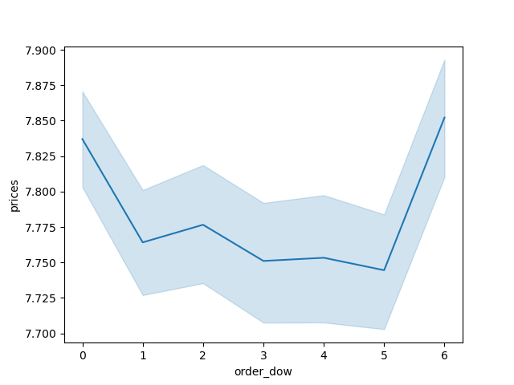
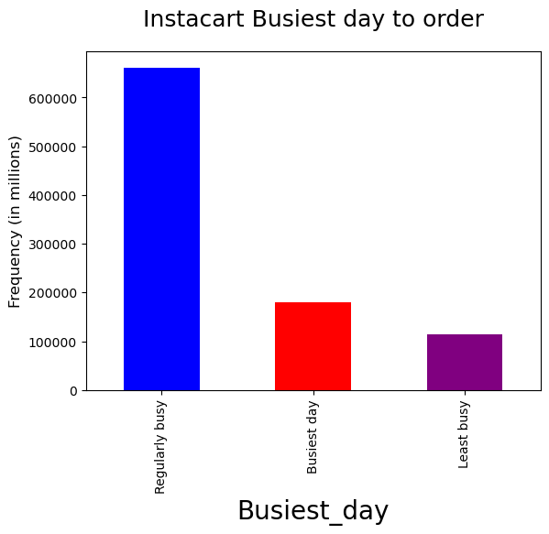
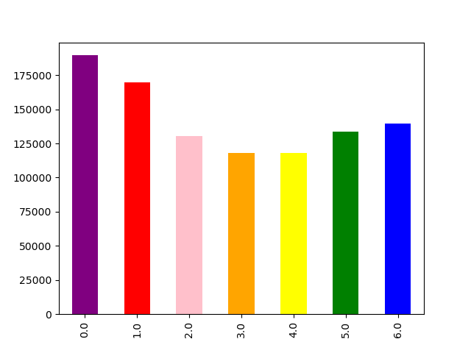

They also want to know whether there are particular times of the day when people spend the most money, as this might inform the type of products they advertise at these times.

Answer: High frequency of orders with a low expenditure are placed during the day (9am-5pm). However, a low frequency of orders with a high expenditure happens between 6-8am, early in the morning.
Also, in the afternoon we observed two peaks at noon and around 9 pm. IC can use these hours to inform the type of products they advertise.
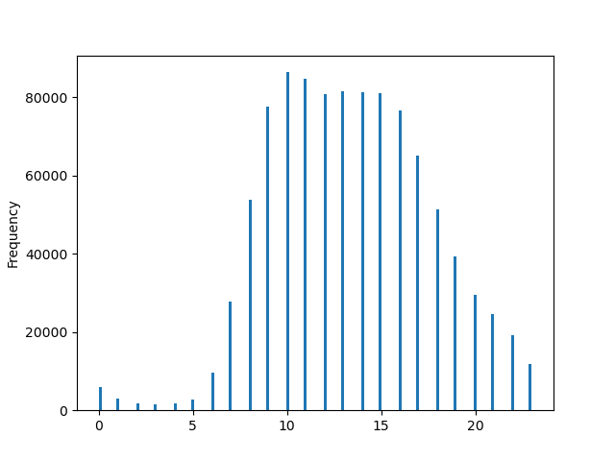
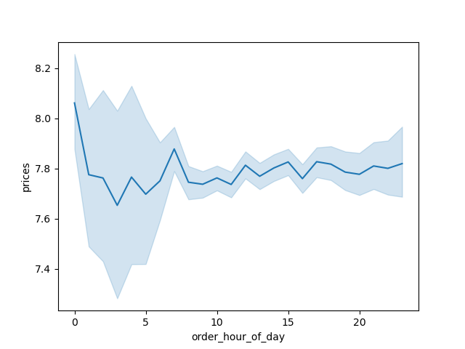

Instacart has a lot of products with different price tags. Marketing and sales want to use simpler price range groupings to help direct their efforts.
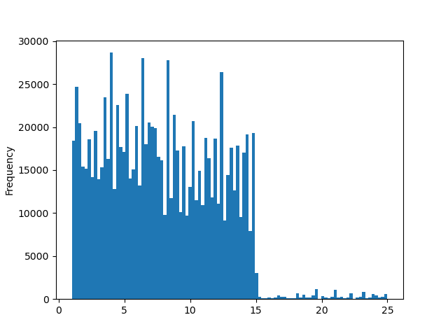
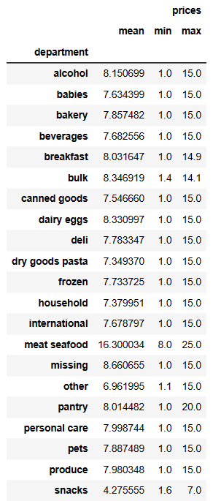

Instacart products range from $1 to $25. The majority of items cost less than $15. Based on our findings we grouped the products into three categories: Low range, Mid range, and High range products. Meat/Seafood has a higher than averge product range.

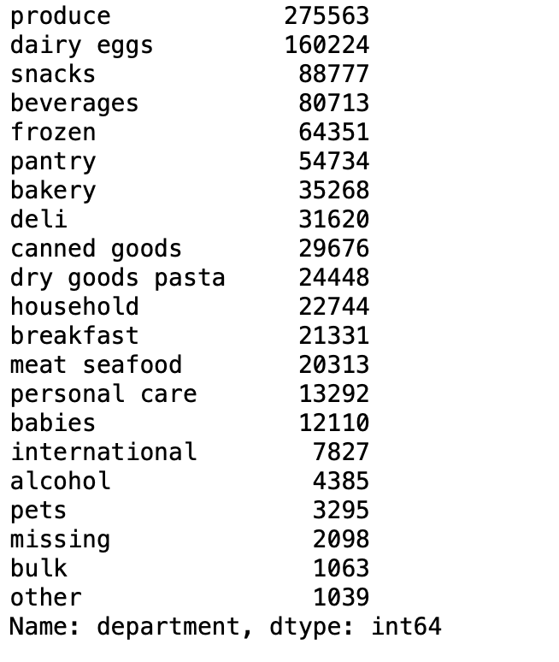
Are there certain types of products that are more popular than others? The marketing and sales teams want to know which departments have the highest frequency of product orders.
When comparing Departments order counts, Produce, Dairy/eggs, and snacks are the top performing department/products.

The marketing and sales teams are particularly interested in the different types of customers in their system and how their ordering behaviors differ.
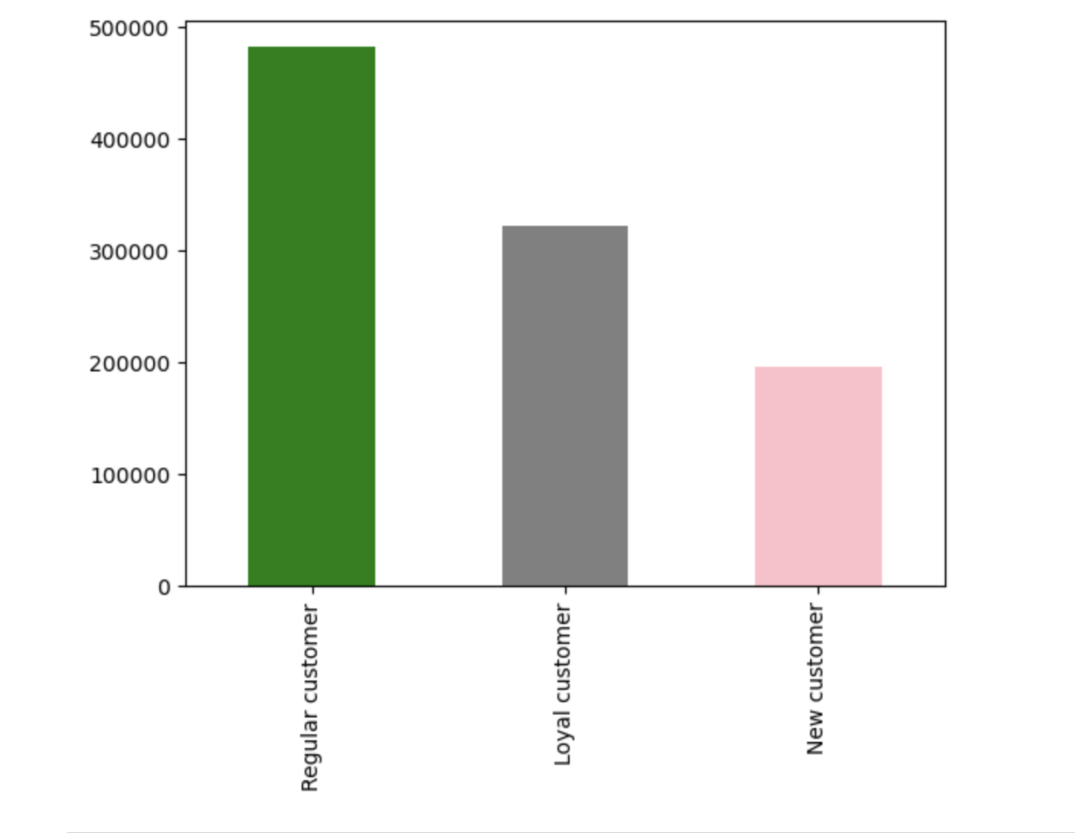
after grouping customers into the different loyalty flags we were able to understand how often these loyalty members were returning. It shows that regular customers are the highest in shopping around different region .

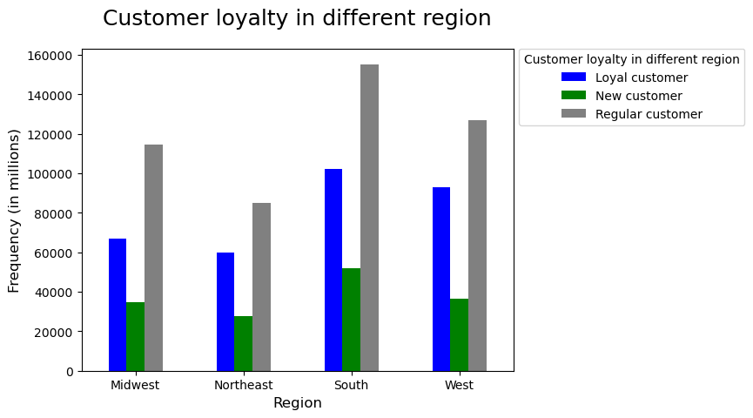

Are there differences in ordering habits based on a customer’s loyalty status?

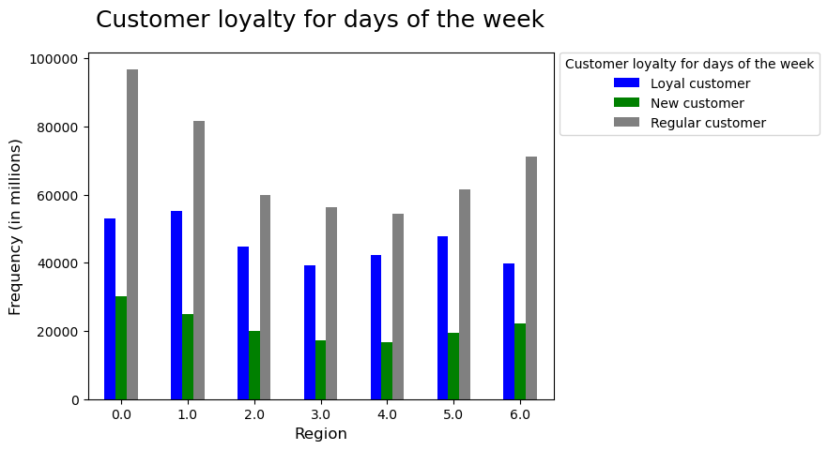

there is not much difference in their ordering habits. The highest for all of them is Friday, Sunday, Saturday

Are there differences in ordering habits based on a customer’s region?
NO difference between the customer lotalty accros differnet regions but the south shows higher spending in all category

● Is there a connection between age and family status in terms of ordering habits?
couple with children is the highest spender and all of the age category spend more in Saturday, Friday and Sunday

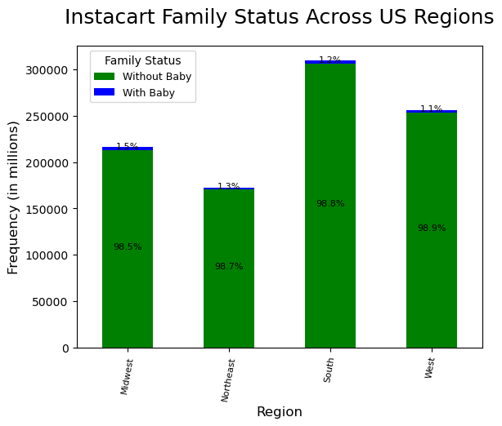

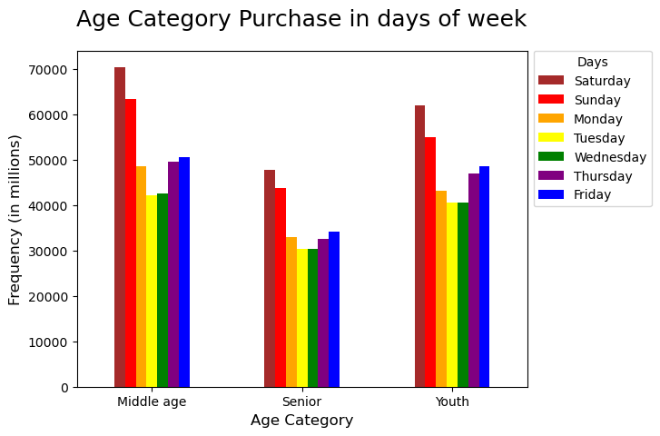

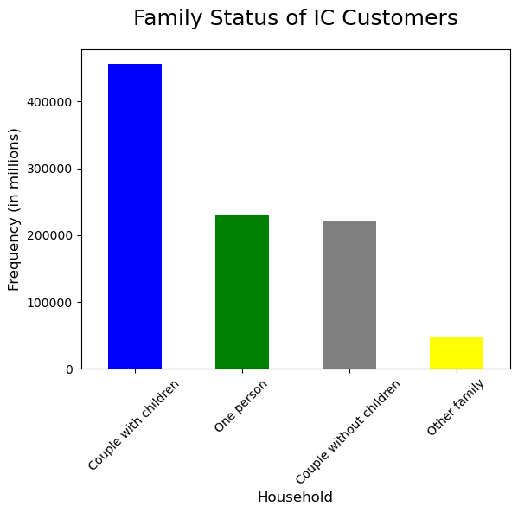

What different classifications does the demographic information suggest? Age? Income? Certain types of goods? Family status?
When reviewing the customers we broke them down into three categories of Youth (18-39), Middle Age (40-64) and Senior(65+). Once we categorized the different age groups, we were able to analyze their trends. Although the middle aged group has the highest amount of order counts, Youths actually spend slightly more when comparing their averages. The busiest days of the weekend, still tends to be the busiest days across all age groups.
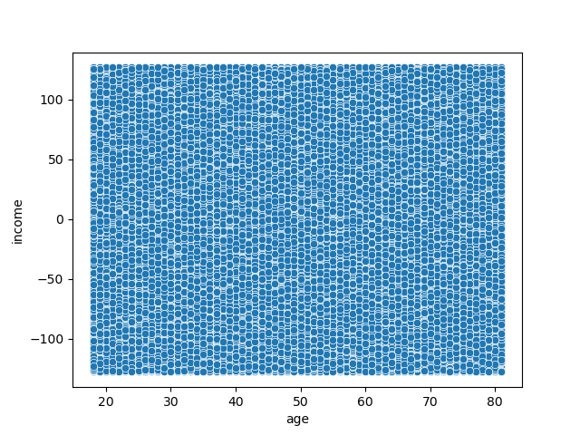

What differences can you find in ordering habits of different customer profiles? Consider the price of orders, the frequency of orders, the products customers are ordering, and anything else you can think of.
Vegetrian customer get higher price, most of the customers with pets shop there, running promotions for them will help more generating sales

7. Recommendations
 |  | Title page

Recommendations

In this tab you should include any recommendations you would made to Instcart in terms of their marketing strategy based on the questions posed in the brief. Every key question has been covered in the Tasks of the Exercises - here you need to add an item - a visualisation or table/crosstable that is showing the answer in the data, acompanied by a comment from you. Please, list the questions below and add the answer underneath.

Question | Answer
Key Question 1 | Saturday, Sunday and Friday respectively are the busiest days of the week. so weekdays might be the perfect time to schedule more ads to be presented on IC app.
Key Question 2 | High frequency of orders with a low expenditure are placed during the day (9am-5pm). However, a low frequency of orders with a high expenditure happens between 6-8am, early in the morning. Also, in the afternoon we observed two peaks at noon and around 9 pm. IC can use these hours to inform the type of products they advertise. Some discounts/promotions can be introduced during the busy hours on more expensive items.
Key Question 3 | Instacart products range from $1 to $25. The majority of items cost less than $15. Based on our findings we grouped the products into three categories: Low range, Mid range, and High range products. Meat/Seafood has a higher than averge product range. Majority of products are under $15 dollars so marketing should be focusing on the low to mid range products.
Key Question 4 | When comparing Departments order counts, Produce, Dairy/eggs, and snacks are the top performing department/products. To further drive revenue it would be recommended to provide promotions/ deals on these products as they are top sellers.
Key Question 5 | after grouping customers into the different loyalty flags we were able to understand how often these loyalty members were returning. It shows that regular customers are the highest in shopping around different region .So it is recommended to add more promotions and coupons to attract the loyal customers to buy more
Key Question 6 | We can introduce senior days with special discount like Thursdays and Tuesdays which are not busy days to encourage senior customers placing more orders on slow days. Students also can be another target market to set special promotions and programs like student discount on Mondays.
Key Question 7 | It appears couples with children place more orders. This might be because of lacking discounts on items which are popular between seniors or singles. Recommendations made in question 6 would help to boost the sales in these parts.

